How to use this template
How to use this Toolkit:

This Scorecard Toolkit has everything you need to identify and track the right activities and objectives that lead to your desired results. Set benchmarks for your reps with the KPI calculator, then drop those numbers into individual scorecards. If your reps hit their targets, they'll score a perfect 100 on their cards!

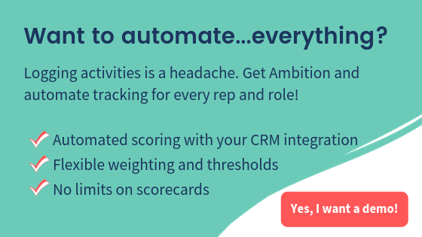
You'll see four tabs in this Toolkit: these instructions, a calculator, an activity scorecard and an objective scorecard. Copy the whole sheet to use in your own practice!

Step 1: Set the right benchmarks using the KPI calculator.
Sales managers often tell us they don't know where to start when it comes to turning activities into benchmarked metrics on scorecards. The KPI calculator uses your historical data to determine benchmarks that can be used for launching your activity and objective scorecards. So: start with the calculator!

Step 2: Let reps track their activity and objective metrics to work toward a perfect 100:
The activity and objective targets that determined in Step 1 can be set (and weighted!) in the scorecard template. If reps complete their daily activity targets, they'll get 100% on their activity scorecards. If they hit their targets on their weekly or monthly objective scorecards, they'll get 100% on their objective scorecards! If historical performance stays consistent or improves with coaching...that means you're on track to meet your goals!
 | Click here to see a demo
REMEMBER: When you see a GREEN cell, fill in your own information!

