Using this template
How to use this template

The goal of this coaching session is to drive meetings set for your team members -- specifically, the ratio of connects : meetings set.

This template includes two tabs -- copy the whole sheet to use in your own practice:

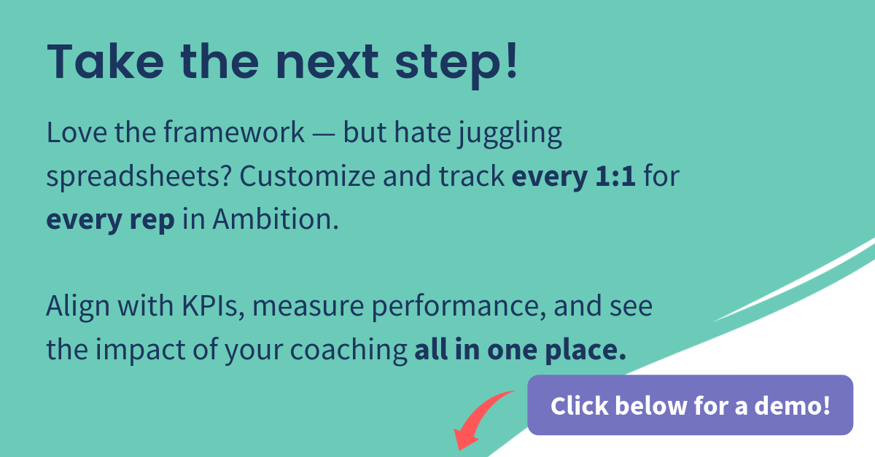
1. Ask the right questions:
Sales managers often tell us they don't know where to start. Copy this sheet for each team member, and follow this question template as a baseline for kicking off your meetings set coaching sessions. We see smart coaches sharing questions with team members in advance, so everyone is prepared for a productive conversation. Take notes and keep a log, so you know where to pick up next time with each team member.

2. Measure the right KPIs:
This is a formula-filled worksheet to help you work backwards from your Closed Deal goals, giving you a clear Meetings Set KPI to measure and track improvements as you coach your team members to success. Fill in the purple cells to calculate your own metrics, and watch your team fluorish.

When you see a purple cell, fill in your own information!

 | Click here to schedule a demo today

2. Measure the right KPIs
Formula: Meetings Needed To Reach Closed Won Objective
Purple fields = Update with your own data

FORMULA BUILDER
 | LAST MONTH | UPCOMING MONTH |  | Notes
Closed Deal Goal | Insert last month's closed deals | Insert upcoming month's closed deal goal |  | <-- This is where we insert our Closed Deals quota as it changes each month.
Meetings Held | Insert last month's meetings held | #VALUE! |  | <-- We develop our baseline conversion rates by inserting meetings held from last month.
Conversion: Meetings Held to Closed Deals | #VALUE! | #VALUE! |  | <-- This can also be coached around. That is for another template/program.
Meetings Set | Insert last month's meetings set | #VALUE! |  | <-- Based on how we convert Meetings Set to Meetings Held, this is how many we need to set.
Conversion: Meetings Set to Meetings Held | #VALUE! | #VALUE! |  | <-- This is consistent based on factors outside of our control. This is roughly how many people don't stand us up.
Connects | Insert last month's connects | #VALUE! |  | <-- Based on how well we are converting Connects to Meetings Set, this is the number of connects we need. If we improve connects to meetings set based on coaching, we'll either need fewer of these or plan on surpassing quota!
Conversion: Connects to Meetings Set | #VALUE! | Insert your desired and improved ratio here |  | <-- This is the metric to coach around. Understand your baseline conversion rate from last month, then coach to improve it!
Calls | Insert last month's calls | #VALUE! |  | <-- We need this many calls based on our historical connect rate.
Conversion: Calls to Connects | #VALUE! | #VALUE! |  | <-- This is consistent based on factors outside of our control. This is roughly how many people answer the phone.
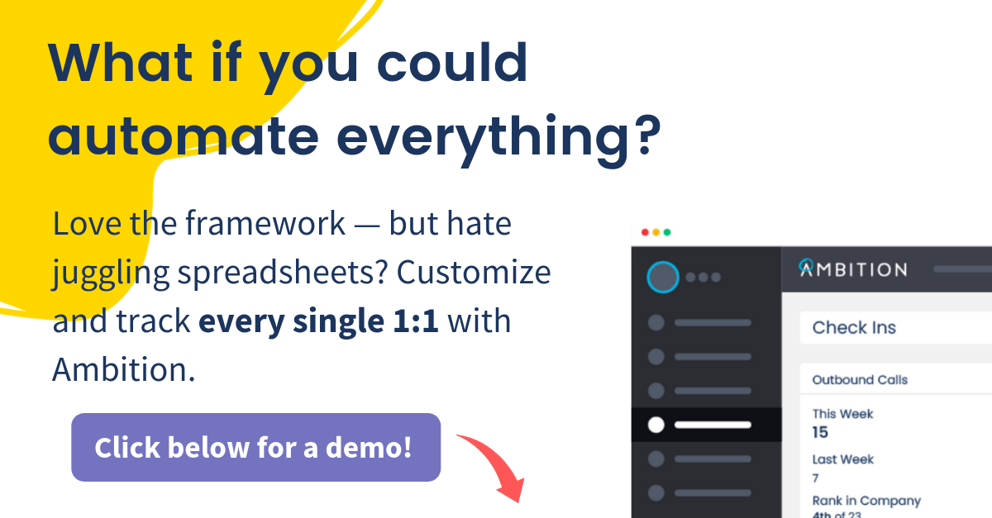
Click here to schedule a demo today

Here's an example to show how this formula builder works:
 | 2019-05-01 | 2019-06-01 | 2019-07-01 | 2019-08-01 | Sept 2019
Closed Deal Goal | 88 | 100 | 110 | 120 | 150 | <-- This shows a Closed Deals quota that increases every month
Meetings Held | 889 | 1,010 | 1,111 | 1,212 | 1,515
Conversion: Meetings Held to Closed Deals | 9.90% | 9.90% | 9.90% | 9.90% | 9.90%
Meetings Set | 1,123 | 1,276 | 1,404 | 1,531 | 1,914
Conversion: Meetings Set to Meetings Held | 79.16% | 79.16% | 79.16% | 79.16% | 79.16%
Connects | 27,998 | 27,998 | 28,359 | 28,075 | 27,843
Conversion: Connects to Meetings Set | 4.01% | 4.50% | 5.00% | 5.50% | 6.00% | <-- Since we are coaching around this metric, we're putting goals in place. We are coaching team members who need to improve the conversion rate between Connects to Meetings Set.
Calls | 56,978 | 56,978 | 57,712 | 57,135 | 56,663
Conversion: Calls to Connects | 49.14% | 49.14% | 49.14% | 49.14% | 49.14%

Click here to schedule a demo today

